Sheet1
Trnasfer riyad 14 april Facing 2 days absent

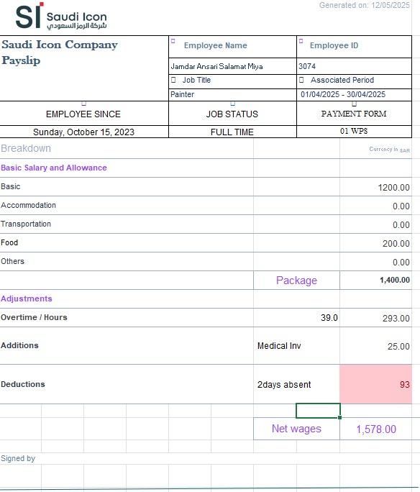
Name | Id | Trade
Rifat Adel | 2724 | Painter
RINKU CHAMAR | 4167 | Painter
Mohammed Mohsin | 3015 | Painter
Jamdar Ansari | 3074 | Painter
Md Shariful Islam | 4348 | Painter

